USE CASE DIGRAM
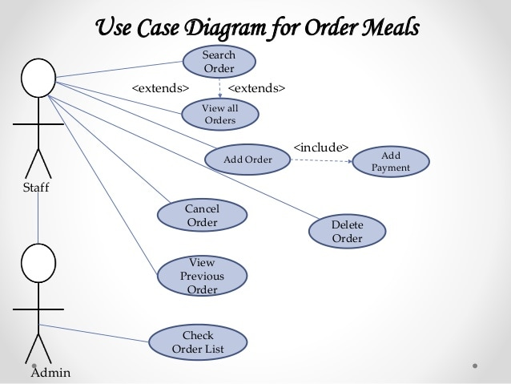
Use Case Diagram example

